Grafico
Temperature
1 | 5
2 | 3
3 | 0
4 | -6
5 | 0
6 | 5

Resumen
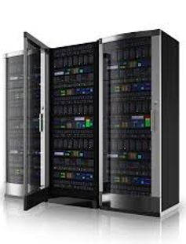
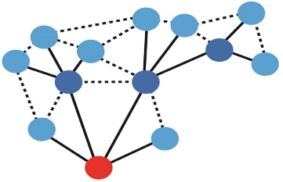
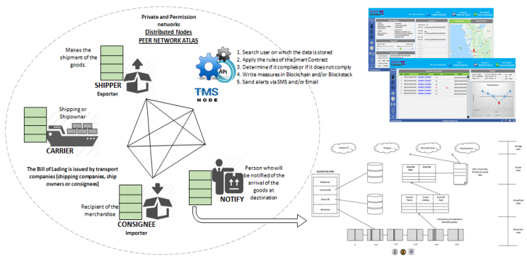
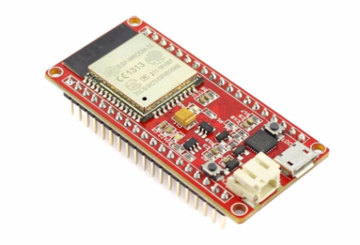

IoT Device
Network
Cloud TMS Gateway
CTS Container Tracking Service

• Remotely configurable devices
• Smart self adaptive radio meshed
network
• Unique automated
messaging service
• Global Monitoring and Management
Platform
• Bringing intelligence and context
awareness to all assets

• Global energy optimization
• OTT-based and suitable for
all mobile operators globally
and completely without any
charge to mobile operators
• State-of-the-art, scalable architecture
• Smart energy management (powered
or non-powered assets)
• Extended reach
• Highly configurable, easy to use

• Easy to install
• Smart 3G/4G Mobile
• Processing massive amounts of data
• End to end security
• Satellite capability (2018+)
• Powerful integration capabilities
with Blockchain and Smart Contract

with the objective to be the first tracking service in the world to communicate without any DATA or SMS.
 | •Unique automated messaging service
 | •OTT-based and suitable for all mobile operators globally and completely without any charge to mobile operators.

dApp
Private and Permission networks
Distributed Nodes
PEER NETWORK ATLAS
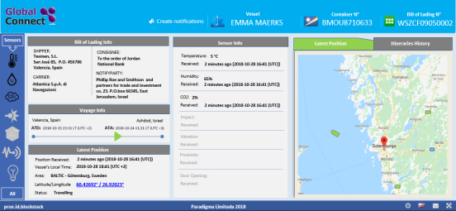

Makes the shipment of the goods.
1. Search user on which the data is stored
2. Apply the rules of the Smart Contract
3. Determine if it complies or if it does not comply
4. Write measures in Blockchain and/or Blockstack
5. Send alerts via SMS and/or Email
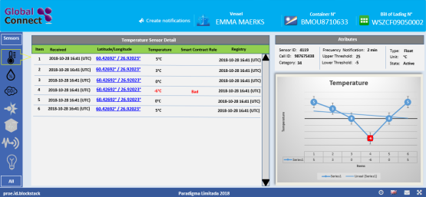

SHIPPER
Exporter

Shipping or Shipowner

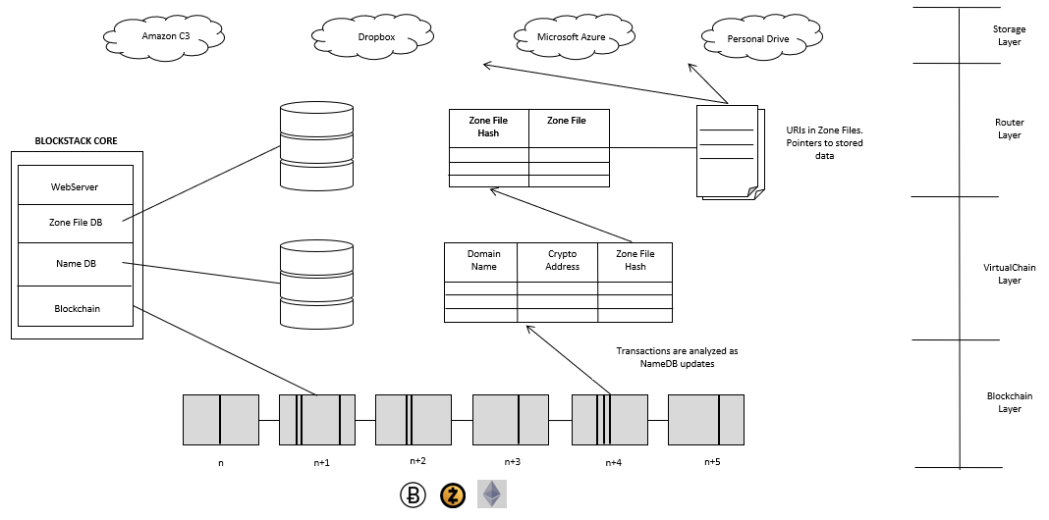
CARRIER
The Bill of Lading is issued by transport companies (shipping companies, ship owners or consignees)
Person who will be notified of the arrival of the goods at destination

NOTIFY
Recipient of the merchandise
CONSIGNEE
Importer

IoT Device
Very Connected with a Comprehensive range of sensors (embedded & wireless)

+200m
Mesh Radio Network for logistic applications,
it conbines long distance range & ultra low consumption
Mutualize energy and comunication between neighboring


Neighboring Nodes
Containers
Gateway

Satellite

Extra
Sensors
Mobile Operator

Gases
Optional
Sensors

Temperature
Embebbed
Sensors

Humidity

RFID
e-Seals

IoT Device 2
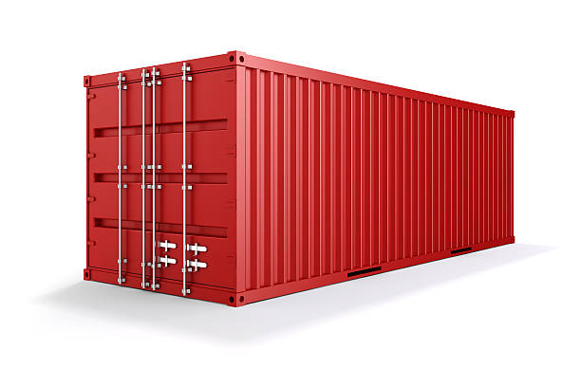
Other remote sensors can be deployed on each container. Such sensors directly
communicates with their Parent and form then a Star network



NFC
NFC

SENSOR

IoT Device 3
Gateway

Satellite
WSN

3G/4G

Mesh Network
Neighboring Nodes
Containers

The network avoids saturating the satellite with huge numbers of containers in the satellite spot, sending all together messages

Star Network
Inside Containers

En el barco
Gateway

Gateway

Caracteristicas
Mobile Operator 3G/4G
• According to the modem generation
• Keeping SDR Stack up to date through FOTA
• Operated by Innotel Communication AB

SatCom Communication

The network avoids saturating the satellite with huge numbers of containers in the satellite spot, sending all together messages

Tri band (433MHz, 868MHz, 920MHz), auto adaptive
according to location to meet local telecom
regulation
• Agile frequency hoping to avoid EM interferences
• Automatic power output selection [-10dBm, +15dBm]
• Communication distance range ≤ 2,5Km
• Bidirectional Baud Rate ≤ 22 Kbits/s

,

Escalabilidad
